Understand of KNN K Neighbour
KNN - K NEAREST NEIGHBOURS (CLASSIFICATION) | REFERENCE

▣INTRODUCTION OF KNN (K NEAREST NEIGHBOURS) | ⇰REFERENCE (Website)-->Udemy Regarding Thereotical Understanding of KNN K Nearest Neighbours & It's Feasibility for Regression Based Dataset Vs Classification Based Dataset

⇰K Nearest neighbors or KNN neighbors is actually one of the simplest machine learning algorithms.

∎Why KNN Nearest Neighbours is not good for Regression based Data & Best for Classification Data ?

❶Note->As a quick note.While K nearest neighbours can be used for regression tests, that is where the label is continuous.Its performance can actually be quite poor for regression tasks and sometimes it's even less efficient than other algorithms. So we've decided not to exhibit KNN Nearest Neighbour Usage & its use for a regression task.

 | ⇰REFERENCE (Website)-->Scikit Learn Regarding Conceptual Understanding of Various Params Applicable in KNN Classifier Model

❷Basically in Simple Words In K nearest Neighbour is a Distance based Machine Learning (ML) Model & in K nearest Neighbour (Classification) Basically in Binary Classification (2 Labels Or Classes) (Based) Data we can have 2 Label & This is Feasible to Find Distance & creates an imaginary boundary to classify the data According To KNN Model & Possible When new data points come in, the algorithm will try to predict that to the nearest of the boundary line. & According to That We can assign Labels (Based on Distance)But this is Not Possible in Regression Based Data With large data, the prediction stage might be slow Classify Each & Every Output & Probably Impossible to Create Boundary Line & It Become Computationaly Expensive & We Need to Store Lot of Information .

 | ⇰REFERENCE (Website)-->Medium Regarding Thereotical & Conceptual Understanding of K nearest Neighbours

UNDERSTANDING MEANING OF KNN-K NEAREST NEIGHBOURS

⇰The KNN algorithm assumes that similar things exist in close proximity. In other words, similar things are near to each other.Basically The main assumption is these number (no) of category which are lying in close proximity (even in terms of probability) the better will be the chances (HIGHER THE PROBABILITY) of Belonging to that Catgegory. [Higher The Proximity Higher Chances of Belonging To That Specific Labels (Class)]. | ⇰REFERENCE (Website)-->Udemy Regarding Thereotical & Conceptual Understanding of KNN K Nearest Neighbours

⇰Basically in Simple Words KNN is the most commonly used and one of the simplest algorithms for finding patterns in classification and regression problems. It is an supervised algorithm and also known as lazy learning algorithm. It works by calculating the distance of 1 test observation from all the observation of the training dataset and then finding K nearest neighbors of it. This happens for each and every test observation and that is how it finds similarities in the data. For calculating distances KNN uses a distance metric from the list of available metrics. | ⇰REFERENCE (Website)-->KD Nuggets Regarding Thereotical & Conceptual Understanding of KNN-K Nearest Neighbours Algorithm

 | ⇰REFERENCE (You Tube)-->Krishna Naik Regarding Conceptual & Practical Implemetation of KNN -K Nearest Model
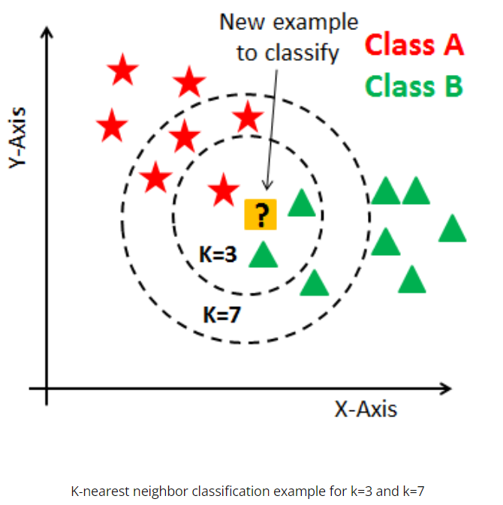

 | ⇰REFERENCE (You Tube)-->Krishna Naik Regarding Thereotical & Conceptual Understanding & Difference in Between Euclidean Distance & Manhattan Distance

▣K Nearest Neighbours Classification Example for K = 3 & K =7

∎UNDERSTANDING MEANING OF KNN-K NEAREST NEIGHBOURS BY IBM

⇰According to IBM The k-nearest neighbors algorithm, also known as KNN or k-NN, is a non-parametric, supervised learning classifier, which uses proximity to make classifications or predictions about the grouping of an individual data point. While it can be used for either regression or classification problems, it is typically used as a classification algorithm, working off the assumption that similar points can be found near one another. | ⇰REFERENCE (Website)-->IBM Regarding Thereotical & Conceptual Understanding of KNN -K Nearest Neighbours

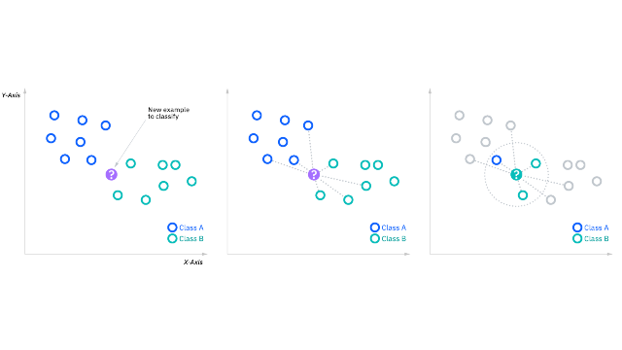
▣KNN DIAGRAM

2.H.Param-->1.Algorithm
ALGORITHM HYPER PARAMETER FOR KNN K-NEAREST NEIGHBOUR MODEL | REFERENCE

⇰algorithm{‘auto’, ‘ball_tree’, ‘kd_tree’, ‘brute’}, default=’auto’ | ⇰REFERENCE (Website)-->Scikit Learn Regarding Thereotical & Conceptual Understanding of Various Parameter of KNN K-Nearest Neighbour | ⇰REFERENCE (Website)-->Udemy Regarding Thereotical & Practical Of Various of KNN K Nearest neighbour Model
▣Algorithm used to compute the nearest neighbors: ❶‘ball_tree’ will use BallTree ❷‘kd_tree’ will use KDTree ❸‘brute’ will use a brute-force search. ❹‘auto’ will attempt to decide the most appropriate algorithm based on the values passed to fit method. It can be any 'ball_tree' OR 'kd_tree' OR 'brute force' .

①Ball Tree

 | ⇰REFERENCE (Website)-->Scikit Learn Regarding Practical Implementation of Algorithm --> (Ball Tree)

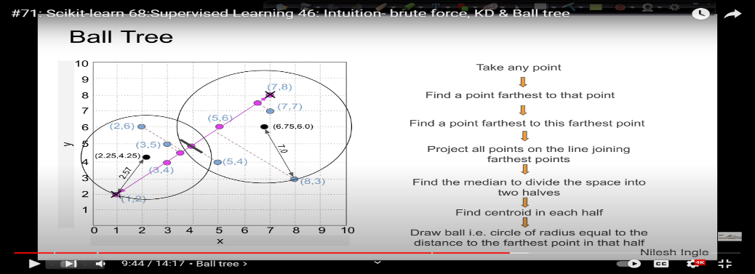
 | ⇰REFERENCE (You Tube)-->Learn Data Regarding Thereotical & Practical Implementation of Algorithm --> Ball Tree

 | ⇰REFERENCE (You Tube)-->Stable Sort Regarding Thereotical & Practical Implementation of KD-Tree Nearest n_Neighbor Data Structure

⇰Ball Tree -->Ball tree algorithm takes another approach to dividing space where training points lie. In contrast to k-d trees, which divides space with median value “cuts”, ball tree groups points into “balls” organized into a tree structure. They go from the largest (root, with all points) to the smallest (leaves, with only a few or even 1 point). It allows fast nearest neighbor lookup because nearby neighbors are in the same or at least close “balls”. | ⇰REFERENCE (Website)-->Towards Data Science Regarding Thereotical & Conceptual Understanding of Algorithm-->(Ball Tree)

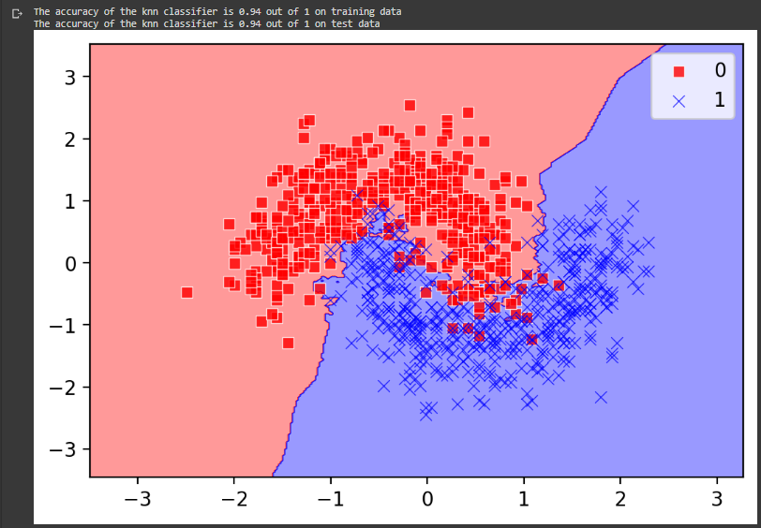 | ⇰REFERENCE (Website)-->1.8(ii) Google Colab Kneighbours Classifier Regarding (KNN Classifiers Matplotlib Visualizations) Regarding Various Param (algorithms=Ball Tree, Weights , p, leaf_size)

②KD Tree | ⇰REFERENCE (Website)--> Scikit Learn Regarding Thereotical & Conceptual Understanding of Various Parameter of KNN K-Nearest Neighbour

 | ⇰REFERENCE (Website)-->Scikit Learn Regarding Thereotical & Practical Implementation of Algorithm -->KD TREE
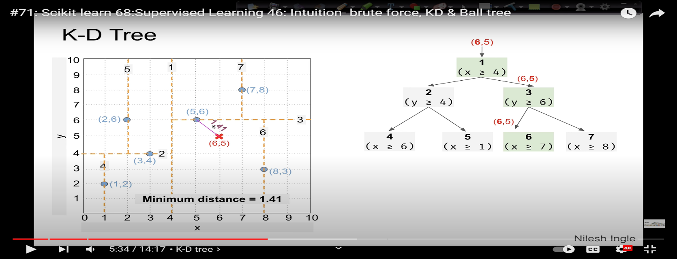

 | ⇰REFERENCE (You Tube)-->Learn Data Regarding Thereotical & Practical Implementation of Algorithm --> Ball Tree

⇰KD TREE MODEL-->A K-D Tree(also called as K-Dimensional Tree) is a binary search tree where data in each node is a K-Dimensional point in space. In short, it is a space partitioning (details below) data structure for organizing points in a K-Dimensional space. A non-leaf node in K-D tree divides the space into two parts, called as half-spaces. Points to the left of this space are represented by the left subtree of that node and points to the right of the space are represented by the right subtree. This is Basically Like Tree Based Decision Tree Model. | ⇰REFERENCE (Website)-->Geeks for Geeks Regarding Thereotical & Conceptual Understanding of Algorithm -->KD Tree Model | ⇰REFERENCE (Website)-->Scikit Learn Regarding Thereotical & Conceptual & Practical Understanding of Algorithm -->KD Tree Model

 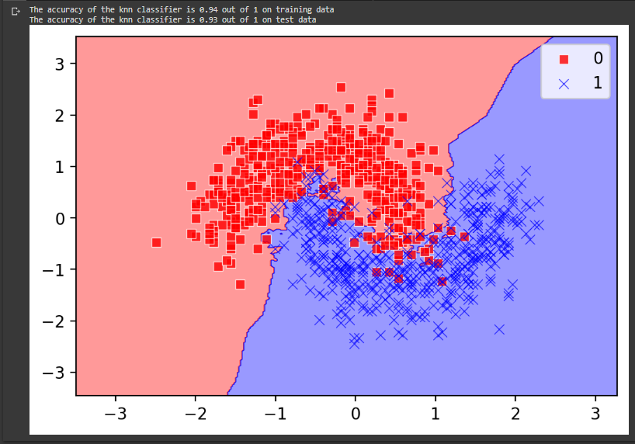 | ⇰REFERENCE (Website)-->1.8(ii) Google Colab Kneighbours Classifier Regarding (KNN Classifiers Matplotlib Visualizations) Regarding Various Param (algorithms=KD Tree, Weights , p, leaf_size)

③BRUTE FORCE

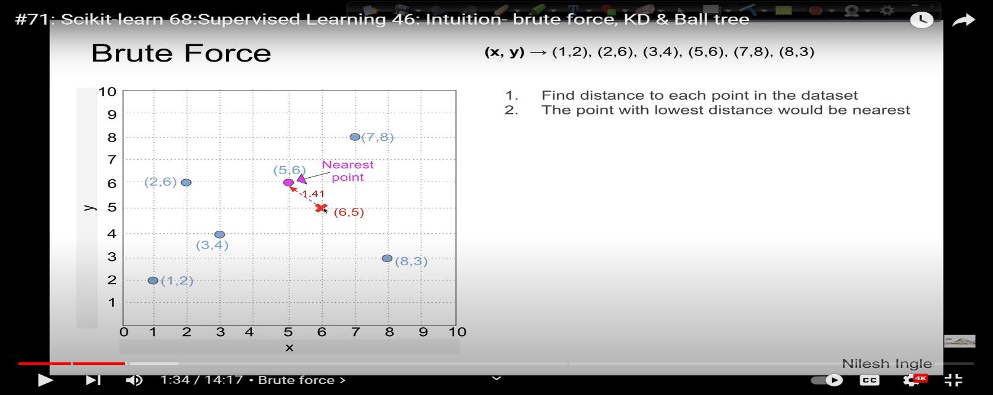

 | ⇰REFERENCE (You Tube)-->Learn Data Regarding Thereotical & Practical Implementation of Algorithm --> Ball Tree

 | ⇰REFERENCE (You Tube)-->Stable Sort Regarding Thereotical & Practical Implementation of KD-Tree Nearest n_Neighbor Data Structure

⇰Brute Force Method-->Calculate distance from new point to every point in training data matrix X, sort distances and take k nearest, then do a majority vote. There is no need for separate training, so we only consider prediction complexity.
 | ⇰REFERENCE (Website)-->Towards Data Science Regarding Thereotical & Conceptual Understanding of Algorithm --> Brute Force Methods

 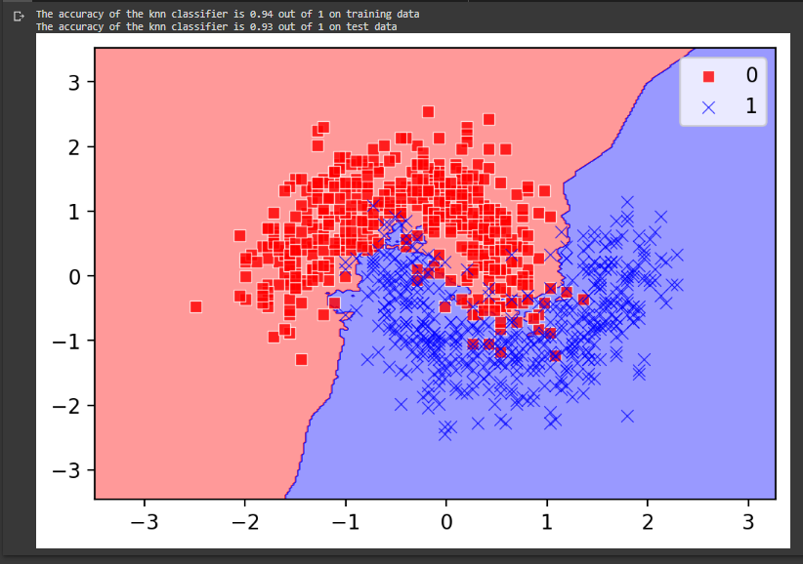

 | ⇰REFERENCE (Website)-->1.8(ii) Google Colab Kneighbours Classifier Regarding (KNN Classifiers Matplotlib Visualizations) Regarding Various Param (algorithms=Brute Force, Weights , p, leaf_size)

1. Hyper Param For KNN-K Neighb
HYPER PARAMETER FOR KNN K NEAREST NEIGHBOURS | REFERENCE

 | ⇰REFERENCE (Website)--> Scikit Learn Regarding Various Hyper Param Applicable in KNN-K nearest Neighbour Model (Classifier) | ⇰REFERENCE (You Tube)-->Krishna Naik Regarding Thereotical & Conceptual Understanding of KNN K-Neighbour Classification

IMPERATIVE / FUNDAMENTAL HYPER PARAMETER FOR MODEL

⇰n_neighbours : (Default=5) ❶Number of neighbors to use by default for k neighbors queries. Basically in Simple Words 'n_neighbors' are the number of neighbors that will vote for the class of the target point; default number is 5. ❷n_neighbors -->When the value of K or the number of neighbors is too low, the model picks only the values that are closest to the data sample, thus forming a very complex decision boundary as shown above. Such a model fails to generalize well on the data set, thereby showing poor results. ❸Therefore, it’s important to find an optimal value of K, such that the model is able to classify well on the data set. Let’s observe the train and test accuracies as we increase the number of neighbors. | ⇰REFERENCE (Website)-->Scikit Learn Regarding Various Hyper Param Applicable in KNN-K nearest Neighbour Model (Classifier)

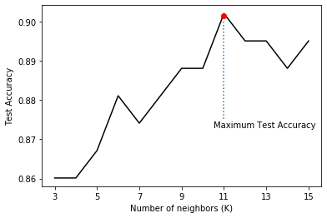

 | ⇰REFERENCE (Website)-->Udemy Regarding Thereotical & Practical Of Various Hyper Parameter of KNN K Nearest neighbour Model

⇰weights{‘uniform’, ‘distance’}, callable or None, default=’uniform’ ▣Weight function used in prediction. Possible values: ❶‘uniform’ : uniform weights. All points in each neighborhood are weighted equally. ❷‘distance':weight points by the inverse of their distance. in this case, closer neighbors of a query point will have a greater influence than neighbors which are further away.

Difference between uniform and distance
▣It is expected that using weights="distance" would tend to overfit more indeed. The reason for this is that it can potentially overly prioritize the closest neighbor and disregard the other nearest neighbors if they are a bit further away. weights="uniform" (which is the default) on the other hand ensures that even if some of the nearest neighbors are a bit further away, they still count as much towards the prediction. | ⇰REFERENCE (Website)-->Stackoverflow Regarding Thereotical & Conceptual Understanding of Weights (& Diff in Between Uniform & Distance & Why Uniform is More Preferable | ⇰REFERENCE (You Tube)-->Krishna Naik Regarding Thereotical & Conceptual Understanding of KNN K-Neighbour Classification

⇰algorithm{‘auto’, ‘ball_tree’, ‘kd_tree’, ‘brute’}, default=’auto’
⇰leaf_size:int, default=30 ❶Leaf size passed to BallTree or KDTree. This can affect the speed of the construction and query, as well as the memory required to store the tree. The optimal value depends on the nature of the problem. ❷Number of points at which to switch to brute-force. Changing leaf_size will not affect the results of a query, but can significantly impact the speed of a query and the memory required to store the constructed tree. In general, the larger leaf_size, the closer neighbors the algorithm picks (note this is not the same as higher accuracy). This is because the tree's main purpose is to reduce the number of candidates for the neighbours. Neither KD-tree, nor Ball Tree guarantees that the split will keep true nearest points close in a tree. In this sense, the use of a tree implies "information loss", and the larger the tree, the higher the chance to put the true neighbors into a wrong branch.
 | ⇰REFERENCE (Website)-->Stackoverflow Regarding Thereotical & Conceptual Understanding Hyper Parameter --> leaf_size

⇰metric:str or callable, default=’minkowski’ ❶Metric to use for distance computation. Default is “minkowski”, which results in the standard Euclidean distance when p = 2.

⇰p:int, default=2 ❶Power parameter for the Minkowski metric. When p = 1, this is equivalent to using manhattan_distance (l1), and euclidean_distance (l2) for p = 2. For arbitrary p, minkowski_distance (l_p) is used. ❷Minkowski Metric--> Is Basically Generalization of Both (Manhattan & Euclidian Distance Metric.

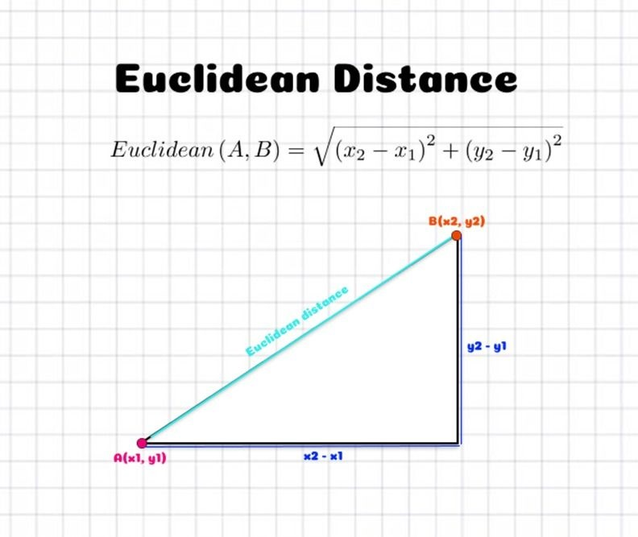 | ⇰REFERENCE (Website)-->KD Nuggets Regarding Thereotical & Conceptual Understanding of Euclidean Distance Metric | ⇰REFERENCE (Website)-->IBM Regarding Thereotical & Conceptual Understanding of Various Distance Metric-->Manhattan , Euclidean KNN Model Algorithm

 | ⇰REFERENCE (Website)-->Medium Regarding Thereotical & Conceptual Understanding of Euclidean Distance Metric of Params KNN Model Classifier | ⇰REFERENCE (You Tube)-->Krishna Naik Regarding Thereotical & Conceptual Understanding & Difference in Between Euclidean Distance & Manhattan Distance

❸Euclidian Distance-->①The Euclidean distance formula, as its name suggests, gives the distance between two points (or) the straight line distance. Let us assume that (x1 ,y1) & (x2,y2) are two points in a two-dimensional plane. Aboce Euclidean distance formula is Given. ②Basically in Simple Words This distance is the most widely used one as it is the default metric that SKlearn library of Python uses for K-Nearest Neighbour. It is a measure of the true straight line distance between two points in Euclidean space.

 | ⇰REFERENCE (Website)-->IBM Regarding Thereotical & Conceptual Understanding of Various Distance Metric-->Manhattan , Euclidean KNN Model Algorithm

 | ⇰REFERENCE (Website)-->Medium Regarding Thereotical & Conceptual Understanding of Manhattan Distance Metric of Params KNN Model Classifier | ⇰REFERENCE (You Tube)-->Krishna Naik Regarding Thereotical & Conceptual Understanding & Difference in Between Euclidean Distance & Manhattan Distance

❹Manhattan Distance-->①Manhattan distance is calculated as the sum of the absolute differences between the two vectors. The Manhattan distance is related to the L1 vector norm and the sum absolute error and mean absolute error metric (Basically in Lay man term it sounds like & Reckoned Like Pythagoras Theorem. ②This distance is also known as taxicab distance or city block distance, that is because the way this distance is calculated. The distance between two points is the sum of the absolute differences of their Cartesian coordinates. | ⇰REFERENCE (Website)-->KD Nuggets Regarding Thereotical & Conceptual Understanding of Manhattan Distance Metric for Param of KNN Model Classifier | ⇰REFERENCE (You Tube)-->Krishna Naik Regarding Thereotical & Conceptual Understanding & Difference in Between Euclidean Distance & Manhattan Distance

⇰n_jobs:int, default=None ❶Number of CPUs to use during the cross validation. None means 1 unless in a joblib.parallel backend. ❷The maximum number of concurrently running jobs, such as the number of Python worker processes when backend=”multiprocessing” or the size of the thread-pool when backend=”threading”. If -1 all CPUs are used. If 1 is given, no parallel computing code is used at all, and the behavior amounts to a simple python for loop. This mode is not compatible with timeout. For n_jobs below -1, (n_cpus + 1 + n_jobs) are used. Thus for n_jobs = -2, all CPUs but one are used. ❸n_jobs=-1-->running with n-jobs = -1: (after adding the if __name__ == '__main__': line to my script) I see the script starting 4 processes with 10 threads each. Each process uses about 25% of the CPU (total: 100%). Seems to work as expected. ❹n_jobs=1-->running with n-jobs = 1: stays on a single process (not a surprise), with 20 threads, and also uses 100% of the CPU. | ⇰REFERENCE (Website)-->Stackoverflow Regarding Thereotical & Practical Implementation of n_jobs 's Hyper Parameter for LASSO CV's Model

 | ⇰REFERENCE (You Tube)-->Krishna Naik Regarding Thereotical & Conceptual Understanding of KNN K-Neighbour Classification

  | ⇰REFERENCE (Website)-->1.8 (i) Google Colab (KNN K-Nearest Neighbour (Classification)) Regarding Thereotical & Conceptual Understanding of KNN (KNN Classifiers) +With (Grid Search CV)

3.Methods of KNN K-Neighbour
METHODS FOR KNN K-NEIGHBOUR MODEL | REFERENCE

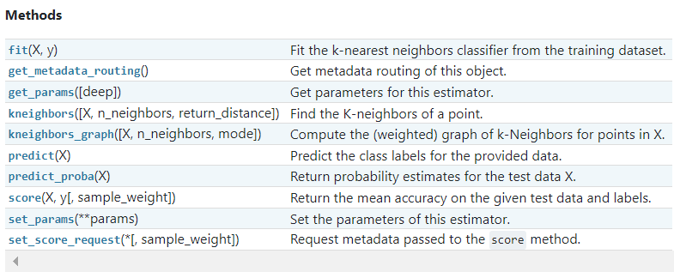 | ⇰REFERENCE (Website)-->Scikit Learn Regarding Conceptual Understanding & Various Methods of KNN K-Neighbour Model

 | ⇰REFERENCE (Website)-->Udemy Regarding Thereotical & Practical Of Various Methods of KNN K Nearest neighbour Model

⇰fit(X, y, sample_weight=None) ❶Run fit with all sets of parameters

 | ⇰REFERENCE (Website)-->1.8(i) Google Colab KNN K-Nearest Neighbour Regarding Practical Implementation (Fit_methods of KNN K-Nearest Neighbour Model)

⇰predict(X) ❶Predict the class labels for the provided data After Fitting & Run with all Set for Parameters

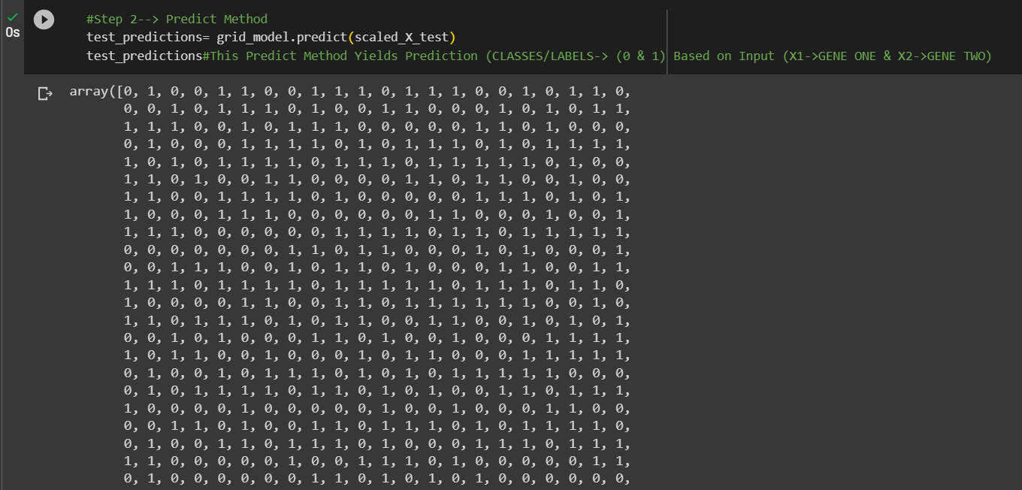 | ⇰REFERENCE (Website)-->1.8(i) Google Colab KNN K-Nearest Neighbour Regarding Practical Implementation (Predict_methods of KNN K-Nearest Neighbour Model)

 | ⇰REFERENCE (Website)-->Scikit Learn Regarding Conceptual Understanding & Various Methods of KNN K-Neighbour Model

 | ⇰REFERENCE (Website)-->Udemy Regarding Thereotical & Practical Of Various Methods of KNN K Nearest neighbour Model

⇰predict_proba(X) & Prediction of New Unknown Data ❶Probability estimate⇒The returned estimates for all classes are ordered by the label of classes. ❷Classification algorithms usually also offer a way to quantify certainty of a prediction, either using Classification Category in the form of 0 Or 1 .Basically Prediction in terms of it's probability ranges in between value 0 & 1 at 0th index. ❸Basically In Next Coding We can see Probability of X1& X2[0] th Index is Y (LABELS/CLASSES=1) is 80%.

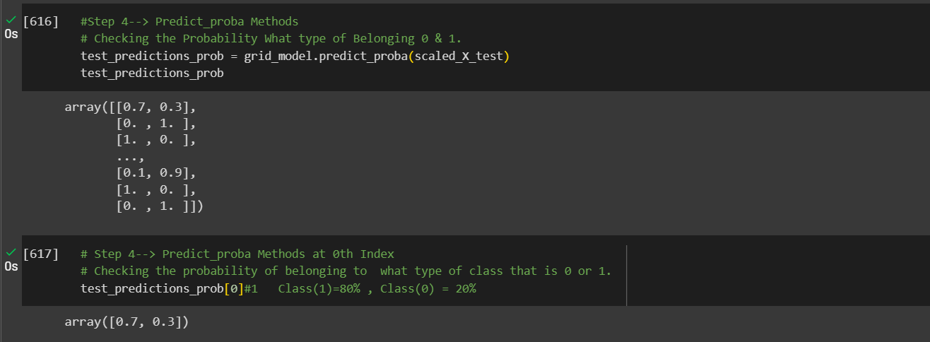 | ⇰REFERENCE (Website)-->1.8(i) Google Colab KNN K-Nearest Neighbour Regarding Practical Implementation (Predict_proba methods of KNN K-Nearest Neighbour Model)

 | ⇰REFERENCE (Website)-->Scikit Learn Regarding Conceptual Understanding & Various Methods of KNN K-Neighbour Model

⇰score(X, y, sample_weight=None) (default -> accuracy in KNN Model) ❶Return the mean accuracy on the given test data and labels. ❷In multi-label classification, this is the subset accuracy which is a harsh metric since you require for each sample that each label set be correctly predicted. ❸Scorer Metric is used for the purpose for finding what kind of evaluation Criteria is used in Given Data set for the purpose of Finding Out the Error & In this case it is 'accuracy'. ❹Basically in upcoming example Performance Eval Metric => 'Accuracy' means Correct Prediction=>0.936=>93.6% & (Remaining Incorrect Prediction (Error) =>0.064=>6.4%) .
 | ⇰REFERENCE (Website)-->Udemy Regarding Thereotical & Practical Of Various Methods of KNN K Nearest neighbour Model

 | ⇰REFERENCE (Website)-->1.8(i) Google Colab KNN K-Nearest Neighbour Model Regarding Practical Implementation (SCORE) (Methods of Logistic Regression)

 | ⇰REFERENCE (Website)-->Scikit Learn Regarding Conceptual Understanding & Various Methods of KNN K-Neighbour Model

⇰get_params(deep=True) ❶Get parameters for this estimator. ❷deep:bool, default=True ,If True, will return the parameters for this estimator and contained sub objects that are estimators. Parameter names mapped to their values in dict format . ❸ In 2nd Instance we had seen that we Create get_params by using calling keys & display result in List Format . ❹Basically in Simple words this param_grid parameter allows you to pass the grid of parameters you are searching. This grid must be formatted as a dictionary with the key corresponding to the specific estimator’s parameter names & the values corresponding to a list of values to pass for the specific parameters.

 | ⇰REFERENCE (Website)-->Udemy Regarding Thereotical & Practical Of Various Methods of KNN K Nearest neighbour Model

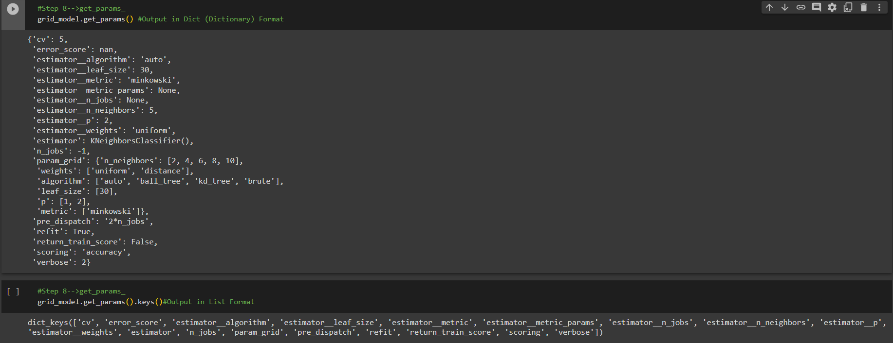 | ⇰REFERENCE (Website)-->1.8 (i)Google Colab KNN K-Nearest Neighbour Model Regarding Practical Implementation (get_params) in (Dict Format) of KNN Model)

 | ⇰REFERENCE (Website)-->1.8 (i)Google Colab KNN K-Nearest Neighbour Model Regarding Practical Implementation (get_params) in (List Format) of KNN Model)

⇰kneighbors(X=None, n_neighbors=None, return_distance=True) ❶Find the K-neighbors of a point. Returns indices of and distances to the neighbors of each point.

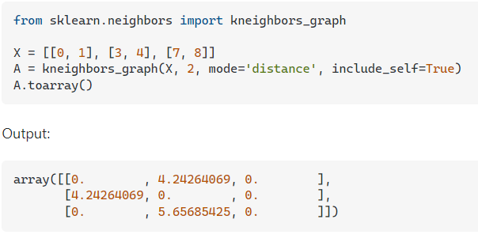 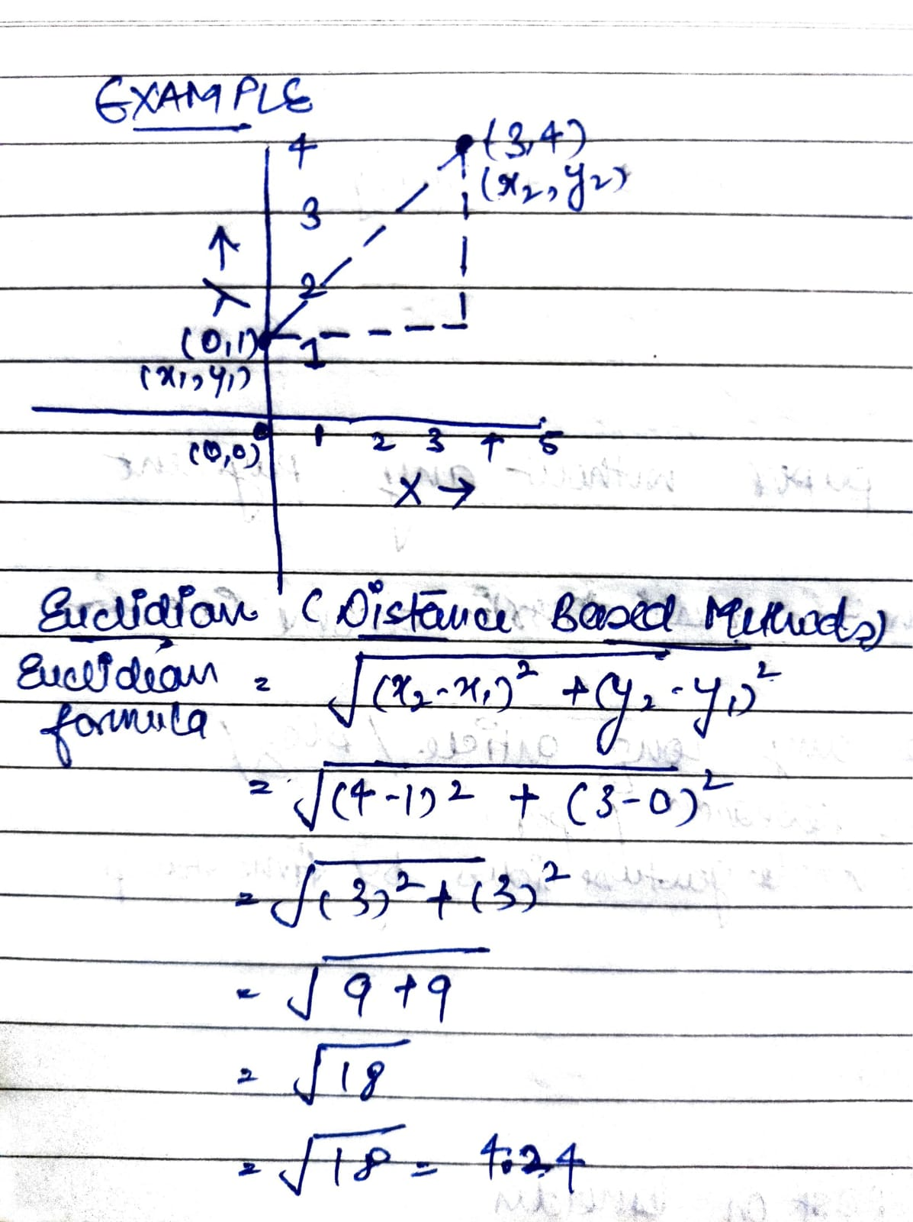 | ⇰REFERENCE (Website)-->Stackover Flow Regarding Thereotical & Practical Implementation of Various Methods of KNN K Neighbour Model ->(Kneighbours)

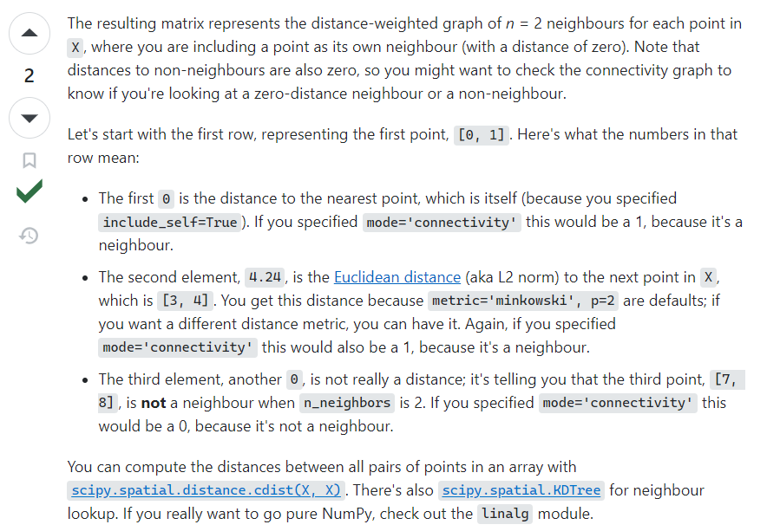 | ⇰REFERENCE (Website)-->Scikit Learn Regarding Conceptual Understanding & Various Methods of KNN K-Neighbour Model

 | ⇰REFERENCE (Website)-->Udemy Regarding Thereotical & Practical Of Various Methods of KNN K Nearest neighbour Model

 | ⇰REFERENCE (Website)-->Scikit Learn Regarding Conceptual Understanding & Various Methods of KNN K-Neighbour Model

 | ⇰REFERENCE (Website)-->Udemy Regarding Thereotical & Practical Of Various Methods of KNN K Nearest neighbour Model

❷Basically in Simple Words We have selected n_neighbors =4 , So Model will Generate 4 Number of Neighbours . ①The First Element (-0.40) in (Scaled_X_test) is distance in between it's nearest point ,which is itself is 0 Because you specified include_self=True. ②The Second Element (0.62) in (Scaled_X_test) is distance in between it's nearest point is 90 Units (In Simple way How we reckoned 4.24 Units in Stackoverflow Example) Same goes on & On....

 | ⇰REFERENCE (Website)-->1.8(i) Google Colab KNN K-Nearest Neighbour Model Regarding Scaled_X_test & It's Various SCALED (X_TEST) ELEMENTS

 | ⇰REFERENCE (Website)-->1.8(i) Google Colab KNN K-Nearest Neighbour Model Regarding Practical Implementation Methods of n_neighbours

⇰kneighbors_graph(X, n_neighbors, *, mode='connectivity', metric='minkowski', p=2, metric_params=None, include_self=False, n_jobs=None)

 | ⇰REFERENCE (Website)-->Stackover Flow Regarding Thereotical & Practical Implementation of Various Methods of KNN K Neighbour Model ->(Kneighbours) | ⇰REFERENCE (Website)-->Scikit Learn Regarding Thereotical & Practical Implementation of KNN K nearest Neighbours 's Methods of Kneighbours_graph( )

 | ⇰REFERENCE (Website)-->Scikit Learn Regarding Conceptual Understanding & Various Methods of KNN K-Neighbour Model

 | ⇰REFERENCE (Website)-->Udemy Regarding Thereotical & Practical Of Various Methods of KNN K Nearest neighbour Model

❶(0,0) -->1st Element Distance Betweeen First Point & Point in itself is 0 Units & It's Labels /Classifier is 1 (Belonging to Class 1) ❷(0,804)-->2nd Element Distance in Between First Point & 2nd Point is 804 Units & It's Labels /Classifier is 1 (Belonging to Class 1) .

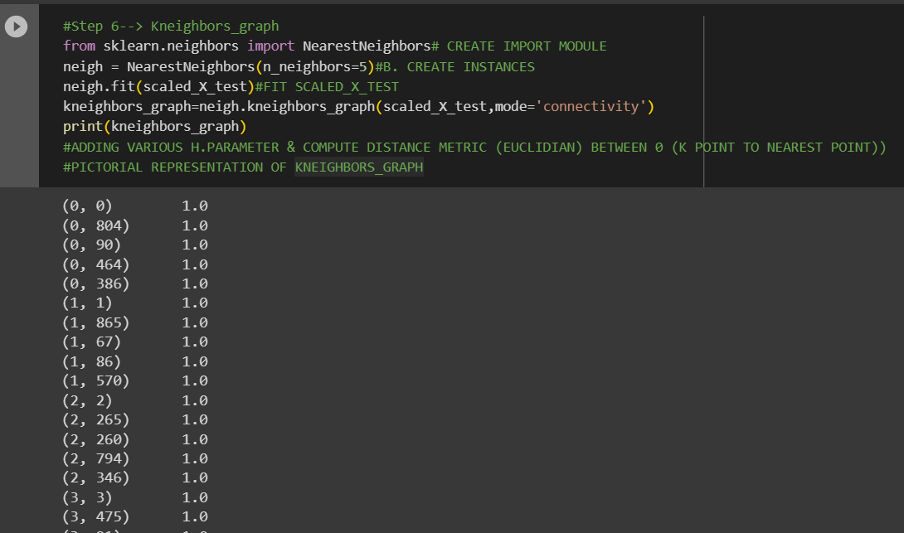 | ⇰REFERENCE (Website)-->1.8(i) Google Colab KNN K-Nearest Neighbour Model Regarding Practical Implementation Methods of Kneighbors_graph

 | ⇰REFERENCE (Website)-->Stackover Flow Regarding Thereotical & Practical Implementation of Various Methods of KNN K Neighbour Model ->(Kneighbours)

⇰set_params(params) ❶Set the parameters of this estimator . ❷In simple words set_params (Setting or Readjusting any Hyper Parameter again with New Param) ,We can Perform Readjustment or Reconfiguration of any Hyper Parameter for Given Model & then Re-run the Model.

❸Basically in upcoming Example We can see changes in set_params (n_jobs=>-1) to (n_jobs=>1) & (verbose=>2) to (verbose=>1) If we do comparison against Previous model.get_params() we can see those changes.

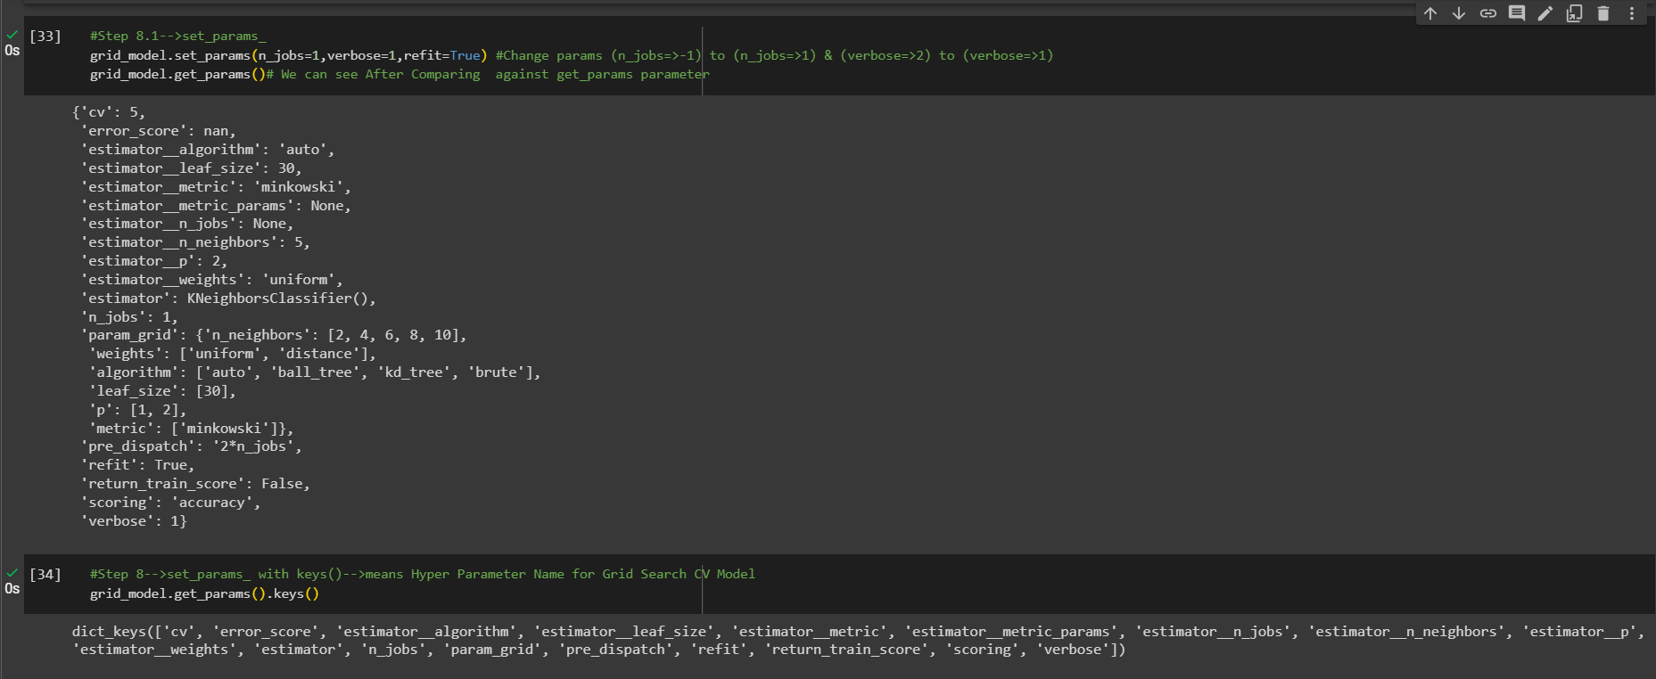 | ⇰REFERENCE (Website)-->1.8(i) Google Colab (KNN) (KNN K-Nearest Neighbour) With Grid Search CV Regarding Practical Implementation (set_params) in dict format (Methods of KNN K-nearest neighbour (KNN) Model)

 | ⇰REFERENCE (Website)-->1.8(i) Google Colab (KNN K-Nearest Neighbours) (KNN) With Grid Search CV Regarding Practical Implementation (set_params) in (keys format) (Methods of KNN K-Nearest Neighbours (KNN))

4.Attributes for KNN,KNeighbour
ATTRIBUTES FOR KNN K-NEAREST NEIGHBOUR MODEL | REFERENCE

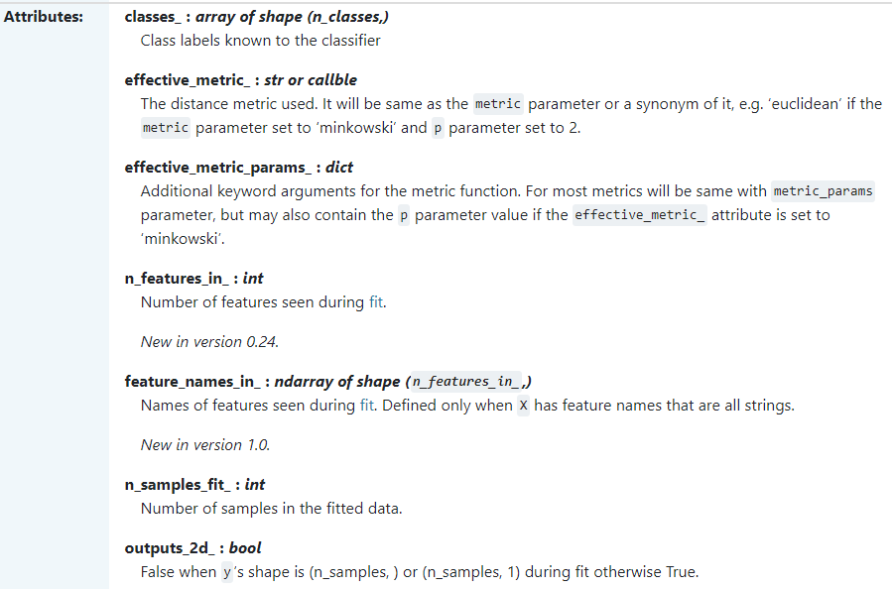 | ⇰REFERENCE (Website)-->Scikit Learn Regarding Thereotical & Conceptual Implementation of Various Attributes of KNN-K Neighbours Model

 | ⇰REFERENCE (Website)-->Udemy Regarding Thereotical & Practical Of Various Attributes of KNN K Nearest neighbour Model

 | ⇰REFERENCE (Website)-->Scikit Learn Regarding Thereotical & Conceptual Implementation of Various Attributes of KNN-K Neighbours Model

⇰classes_ndarray of shape (n_classes, ) ❶A list of class labels known to the classifier. ❷Basically in Simple Words Various Classified Labels (Dependent Variable) --> (0&1) While (0) signifies false test result , (1) signifies positive test result .

 | ⇰REFERENCE (Website)-->1.8(i) Google Colab KNN K-Nearest Neighbour Regarding Practical Implementation (Attributes-->(Classes_) of KNN K-Nearest Neighbour Model)

⇰n_features_in_:int ❶Number of features seen during fit. In Simple Words Number of features seen during fit . Only defined if best_estimator_ is defined (see the documentation for the refit parameter for more details) and that best_estimator_ exposes feature_names_in_ when fit. ❷Basically in Simple Words Number of Feature (Independent Variable) that Given Dataset have For Example In this Given Dataset There is Only 2 Features That is [Gene One],[Gene Two].

 | ⇰REFERENCE (Website)-->1.8(i) Google Colab KNN K-Nearest Neighbour Regarding Practical Implementation (Attributes-->(n_features_in_) of KNN K-Nearest Neighbour Model)

⇰n_samples_fit_:int ❶Number of samples in the fitted data. ❷Basically in Simple Words Length of scaled_ X_Train Data of Best Estimator (knn Models) & No of Sample on Which KNN_Model is Trained At the Time of TRAIN-TEST-SPLIT.

 | ⇰REFERENCE (Website)-->1.8(i) Google Colab KNN K-Nearest Neighbour Regarding Practical Implementation (Attributes-->(n_samples_fit_) of KNN K-Nearest Neighbour Model)

⇰outputs_2d_:bool ❶False when y’s shape is (n_samples, ) or (n_samples, 1) during fit otherwise True While Choosing best estimator 's model from Grid search CV.

 | ⇰REFERENCE (Website)-->1.8(i) Google Colab KNN K-Nearest Neighbour Regarding Practical Implementation (Attributes-->(Outputs_2d_) of KNN K-Nearest Neighbour Model)

⇰effective_metric_:str or callable ❶The distance metric used (Euclidian Or Manhattan) It will be same as the metric parameter or a synonym of it, e.g. ‘euclidean’ if the metric parameter set to ‘minkowski’ & (p) parameter set to 2.
 | ⇰REFERENCE (Website)-->Scikit Learn Regarding Thereotical & Conceptual Implementation of Various Attributes of KNN-K Neighbours Model

❷Depending on the context of the problem several distance metrics can be used. We will be going over: ▣Manhattan distance ▣Euclidean distance ▣Minkowski distance

 | ⇰REFERENCE (Website)-->Medium Regarding Various Distance metrics and K-Nearest Neighbor (KNN) ,KNN K-Neighbour Models | ⇰REFERENCE (Website)-->1.8(i) Google Colab KNN K-Nearest Neighbour Regarding Practical Implementation (Attributes->(effective_metric_) of KNN K-Nearest Neighbour Model)

 | ⇰REFERENCE (Website)-->Scikit Learn Regarding Thereotical & Conceptual Implementation of Various Attributes of KNN-K Neighbours Model

⇰effective_metric_params_dict ❶Additional keyword arguments for the metric function. For most metrics will be same with metric_params parameter, but may also contain the (p) parameter value if the effective_metric_ attribute is set to ‘minkowski’.

❷Basically in Upcoming Example We can see effective_metric_params_ We haven't Added any Metric Parameter That's why it is not showing any params.

 | ⇰REFERENCE (Website)-->1.8(i) Google Colab KNN K-Nearest Neighbour Regarding Practical Implementation (Attributes-->(effective_metric_params_) of KNN K-Nearest Neighbour Model)

⇰feature_names_in_:ndarray of shape (n_features_in_,) ❶Names of features seen during fit By Calling Instance=>scaler=Standard_Scaler. Defined only when X has feature names that are all strings & Precede to Feature Scaling Otherwise Due to Feature Scaling it will create Multiple Features. Basically in Other Word it Defines the Names of All Features (Independent Variable) (X1 [Gene One] ,X2[Gene Two] That are Available in the Given Dataset.

 | ⇰REFERENCE (Website)-->1.8(i) Google Colab KNN K-Nearest Neighbour Regarding Practical Implementation (Attributes-->(features_names_in_) of KNN K-Nearest Neighbour Model)

5.TRAIN|TEST|SPLIT
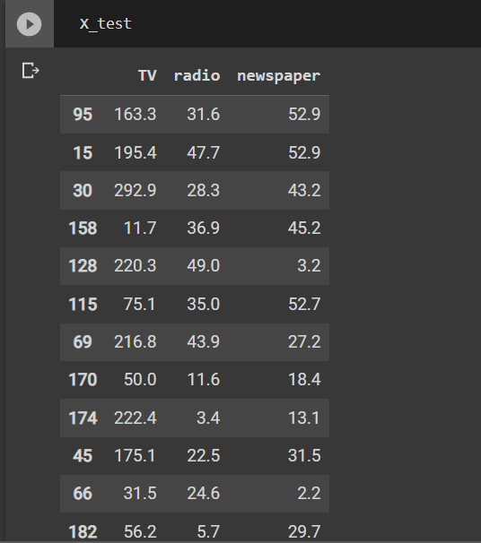
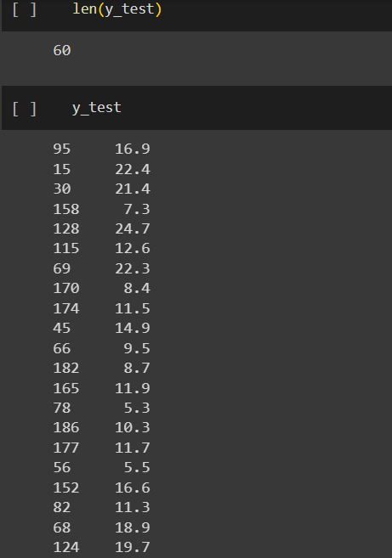
TRAIN | TEST | SPLIT

⇰REFERENCE (WEBSITE)-->Udemy Regarding Train_Test_Split
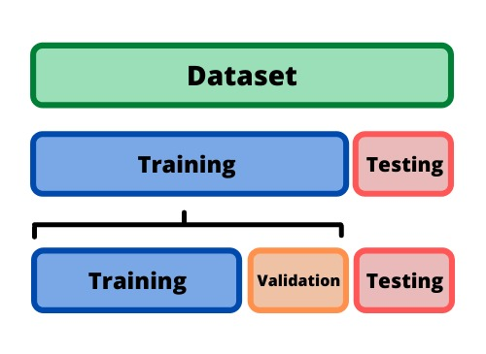 ⇰DEFINITION OF TRAIN-TEST-SPLIT →To fairly evaluate my model's performance, I don't want to evaluate it on the same data it was trained at. First we separates out the features and then it separates out the labels Further we'll separate out a training set and a test set Which Further Subdivide into 4 Components --> X train and Y train and then X test and y test the weights.

PARAMETERS FOR TRAIN | TEST | SPLIT | REFERENCE

⇰X_train→X_train Contains the Values of The Features (X1(Newspaper) ,X2(Radio) , X3(Television) This includes your all independent variables,these will be used to train the model, also as we have specified the test_size = 0.4, this means 60% of observations from your complete data will be used to train/fit the model and rest 40% will be used to test the model. | ⇰REFERENCE (Website)--> Stackoverflow Regarding TRAIN-TEST-SPLIT

⇰X_test→This is remaining 40% portion of the independent variables [Features(X1(Newspaper) ,X2(Radio) , X3(Television)] from the data which will not be used in the training phase and will be used to make predictions to test the accuracy of the model.
 | ⇰REFERENCE (Website)-> Stackoverflow Regarding TRAIN-TEST-SPLIT

⇰y_train→This is your dependent variable which needs to be predicted by this model, this includes category labels against your independent variables (Output =Total Sales), we need to specify our dependent variable while training/fitting the model.

 | ⇰REFERENCE (Website)-->(1.2) Google Colab Linear Regression Regarding Practical Implementation (Coding) of TRAIN | TEST SPLIT
⇰y_test→This data has category labels (Dependent Variable) (Output = Total Sales) for your test data, these labels will be used to test the accuracy between actual and predicted categories.

⇰test_size→test_size is the number that defines the size of the test set. It's very similar to train_size . You should provide either train_size or test_size . If neither is given, then the default share of the dataset that will be used for testing is 0.25 , or 25 percent. Especially in This Case test_size is 0.3 or 30% of Total Data Size.
 | ⇰REFERENCE (Website)-> Scikit Learn Regarding TRAIN-TESTS-SPLIT

⇰Random_state →Random_state is used to set the seed for the random generator so that we can ensure that the results that we get can be reproduced. Because of the nature of splitting the data in train and test is randomised you would get different data assigned to the train and test data unless you can control for the random factor. ↔Example-->For example, imagine you have numbers: 1,2,3,4,5 and you want to select two random numbers. Without using a random_state you would get different things: i.e. first 2,5 then 3,4 and so on.When you control the random generator by setting the random state to 0, 1 or another number, everyone would get the same random numbers generated: i.e random_state=1 then the random numbers are 1,3 and everyone who will pick two random numbers using random_state=1 from 1,2,3,4,5 will get the same two numbers as you: 1,3. →The random state hyperparameter is used to control any such randomness involved in machine learning models to get consistent results. We can use cross-validation to mitigate the effect of randomness involved in machine learning models. →Reason For Random State Usage--> ❶. We need t
 | ⇰REFERENCE (Website)-> Real Python Regarding TRAIN-TESTS-SPLIT

 | ⇰REFERENCE (Website)--> Geeks For Geeks Regarding Practical Impelentation (Coding) of TRAIN | TEST SPLIT

 | ⇰REFERENCE (Website)-> Scikit Learn Regarding TRAIN-TESTS-SPLIT

 | ⇰REFERENCE (Website)-> Real Python Regarding TRAIN-TESTS-SPLIT

⇰Shuffle Split→shuffle is the Boolean object (True by default) that focus on whether to shuffle the dataset before applying the split. →Reason For Random State Usage--> ❶The other reason that we have a random state here is because what Sk learn is going to do when it calls train test split is it's actually going to shuffle the arrays first.So you'll notice here that it actually is calling a shuffle split.That's why main reason it's calling a shuffle split. ❷If we See almost any Data set We can tell that more or less my data appears to be in no sort of sorted order.But for other data sets, it's not uncommon that when you read it in, it's actually already sorted for you. What we don't want to do is if our data set is in some sort of order or sorted is grab the first 70% of the rows for the train set and then the last 30% for the test set. Instead, we want to make sure that we shuffle everything first and then grab the 70% and 30%.That way I don't have an accidentally ordered data set and the test set happens to be all the highest sales and the training set is the lowest 70% of sales. That could be really dangerous as far as fairly evaluating and training your model. So instead we just alleviate any issues of that by shuffling the data set first.

 | ⇰REFERENCE (Website)-->(1.2) Google Colab Linear Regression Regarding Practical Implementation (Coding) of TRAIN | TEST SPLIT

 | ⇰REFERENCE (Website)-->(1.3) Google Colab (Polynomial Regression) Regarding Practical Implementation (Coding) of TRAIN | TEST SPLIT

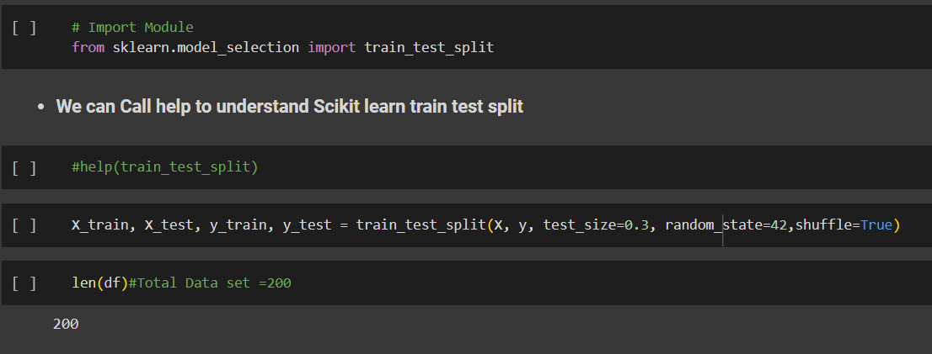 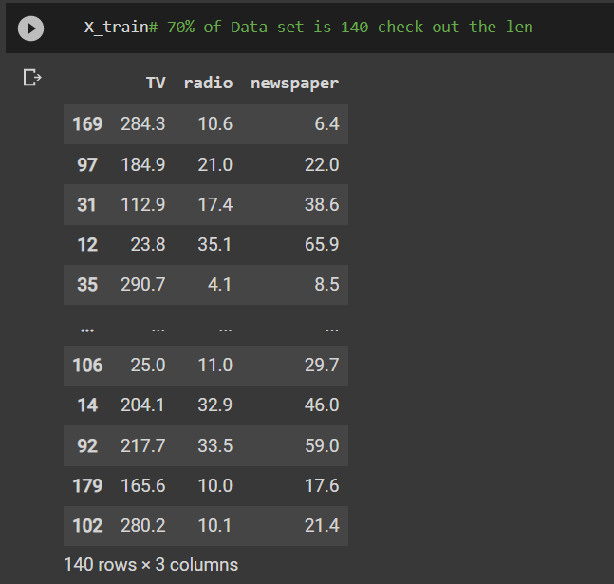 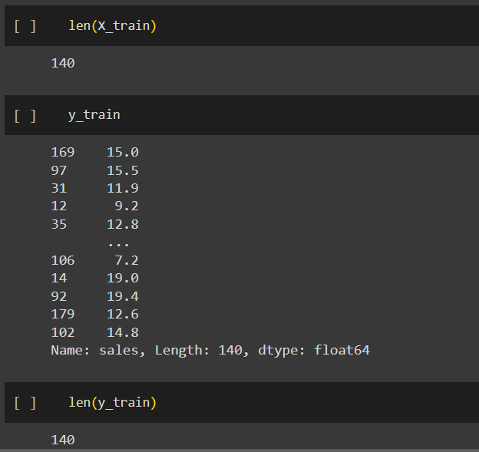 | ⇰REFERENCE (Website)-->(1.2) Google Colab Linear Regression Regarding Practical Implementation (Coding) of TRAIN | TEST SPLIT

 | ⇰REFERENCE (Website)-->(1.3) Google Colab (Polynomial Regression) Regarding Practical Implementation (Coding) of TRAIN | TEST SPLIT

6.FEATURE SCALING
2. (THEREOTICAL) FEATURE SCALING | REFERENCE

①What is Feature Scaling ? | ⇰REFERENCE (Website)-->Udemy Regarding Definition & Meaning & Definition as well as benefits of Feature Scaling
⇰Many machine learning algorithms perform better when numerical input variables are scaled to a standard range.This includes algorithms that use a weighted sum of the input, like linear regression, and algorithms that use distance measures, like k-nearest neighbors.

②What is Scale Invariance ? | ⇰REFERENCE (Website)-->Wikipedia Regarding Definition & Meaning of Scale Invariance
⇰In physics, mathematics and statistics, scale invariance is a feature of objects or laws that do not change if scales of length, energy, or other variables, are multiplied by a common factor, and thus represent a universality.

 | ⇰REFERENCE (You Tube)-->Feature Scale Importance For Gradient Descent By Priyanshu Vats
③Benefits of Feature Scaling ?
❶The most important benefit is that feature scaling improves the convergence of the steepest descent algorithms & what we mean by that are algorithms like gradient descent in trying to minimize the lost function.Those gradient descent algorithms do not possess the property of Scale Invariance.

 | ⇰REFERENCE (You Tube)-->Code Basics(Hindi) Regarding Overall Thereotical Definition & Practical Implementation (Coding) of Cost Function or Line of Best Fit

❷So what we mean by that is that if you have features that are on different scales and you're trying to use something like gradient descent to figure out the optimal coefficients, certain weights for those coefficients may update faster than others, since the feature values may play a role in those coefficient or weight updates.

❸Essentially what we mean is, if you can imagine gradient descent in multiple dimensions and you have some features on much different or much larger scales than others, then the weights that are being restricted to those really large scales are going to take longer to update than the scales for features that are much smaller & so what you want is that all the features are on roughly the same scale.
 | ⇰REFERENCE (You Tube) --> Krishna Naik Regarding Overall Implementation & Def & Why and When Should we Perform Feature Normalization?

❹That way, the gradient descent as far as the convergence of the optimal coefficients or weights can take around the same amount of time for each of those features.So that really is the critical benefit of feature scaling.
 | ⇰REFERENCE (Website)--> Scikit Learn Regarding Practical Implementation & Definition of Feature Scaling (Especially Standard Scaler)

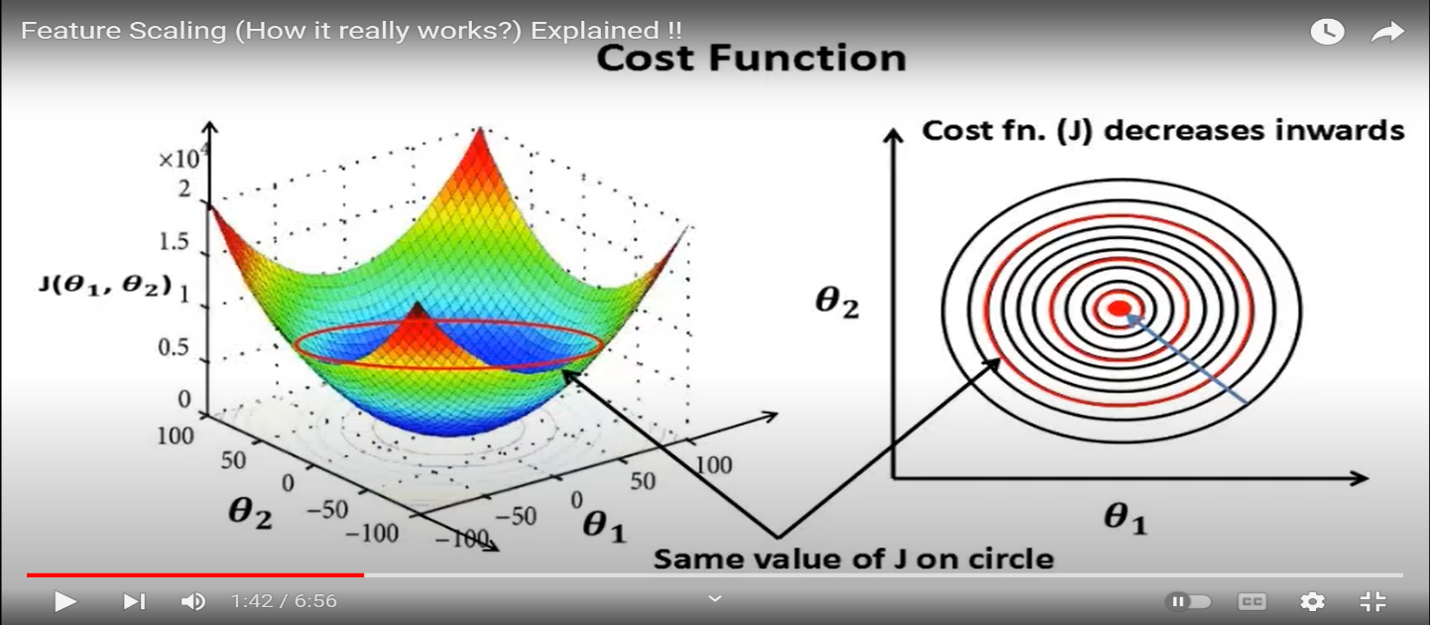

 | ⇰REFERENCE (Website)-->Udemy Regarding Definition & Meaning & Definition as well as benefits of Feature Scaling

 | ⇰REFERENCE (You Tube)-->Feature Scale Importance For Gradient Descent By Priyanshu Vats

 | ⇰REFERENCE (You Tube)-->Code Basics(Hindi) Regarding Overall Thereotical Definition & Practical Implementation (Coding) of Cost Function or Line of Best Fit

④Caveats (Warrning) of Using Feature Scaling in Various Models ?

⇰Must Always Scale new Unseen data Before Feeding to Model. ⇰Effect Direct Interpretability of Feature Coefficients. ❶Easier to Compare coefficients to one another , harder to relate back to original unscaled feature

 | ⇰REFERENCE (Website)-->Geeks For Geeks Regarding ML | Feature Scaling – Part 2

B. TYPES OF FEATURE SCALING | REFERENCE

①STANDARDIZATION (Standard Scaler) Or Z score Normalization | ⇰REFERENCE (Website)--> Scikit Learn Regarding Practical Implementation & Definition of Feature Scaling (Especially Standard Scaler)
⇰Standardization Rescales data to have a mean that is mu of 0 and a standard deviation of 1, which means you're essentially standardizing all your data to follow a standard normal distribution so you could have negative values there. Name Sake Can be confusing since this also referred as Z score normalization ⇰Name Sake Can be confusing since this also referred as Z score normalization ⇰Standardization scales each input variable separately by subtracting the mean (called centering) and dividing by the standard deviation to shift the distribution to have a mean of zero and a standard deviation of one. ⇰In Simple Words Standardization Mean Rescaling Data to have mean (μ) of 0 & Standard Deviation (σ) of 1 Unit Variance) .

 | ⇰REFERENCE (Website)-->Udemy Regarding Definition & Meaning & Definition as well as benefits of Feature Scaling

 | ⇰REFERENCE (Website)-->Machine Learning Mastery Regarding Thereotical & Practical (Coding) Implementation Regarding Meaning & Understanding of 1st Types of Feature Scaling That is Standardization
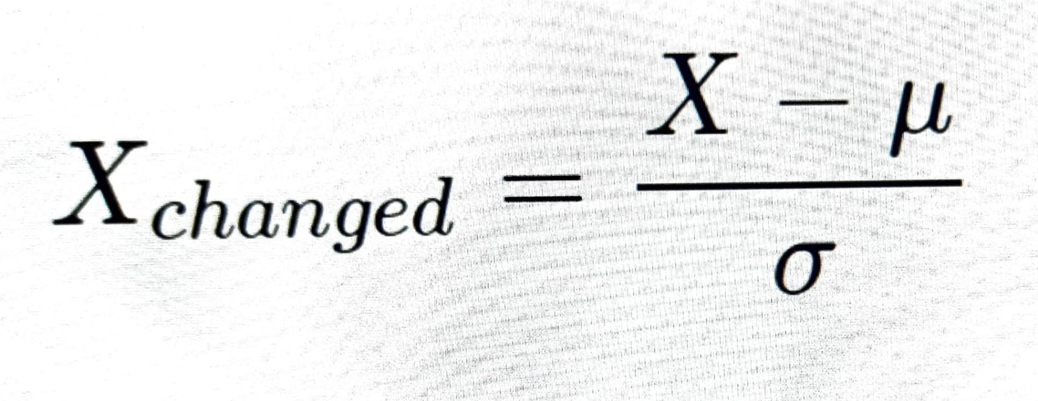

 | ⇰REFERENCE (You Tube)-->Feature Scale Importance For Gradient Descent By Priyanshu Vats

 | ⇰REFERENCE (You Tube)-->Code Basics(Hindi) Regarding Overall Thereotical Definition & Practical Implementation (Coding) of Cost Function or Line of Best Fit
❶PRACTICAL IMPLEMENTATION OF PLOTTING TYPES OF FEATURE SCALING (STANDARDIZATION) IN 1.3 POLYNOMIAL REGRESSION & FEATURE SCALING

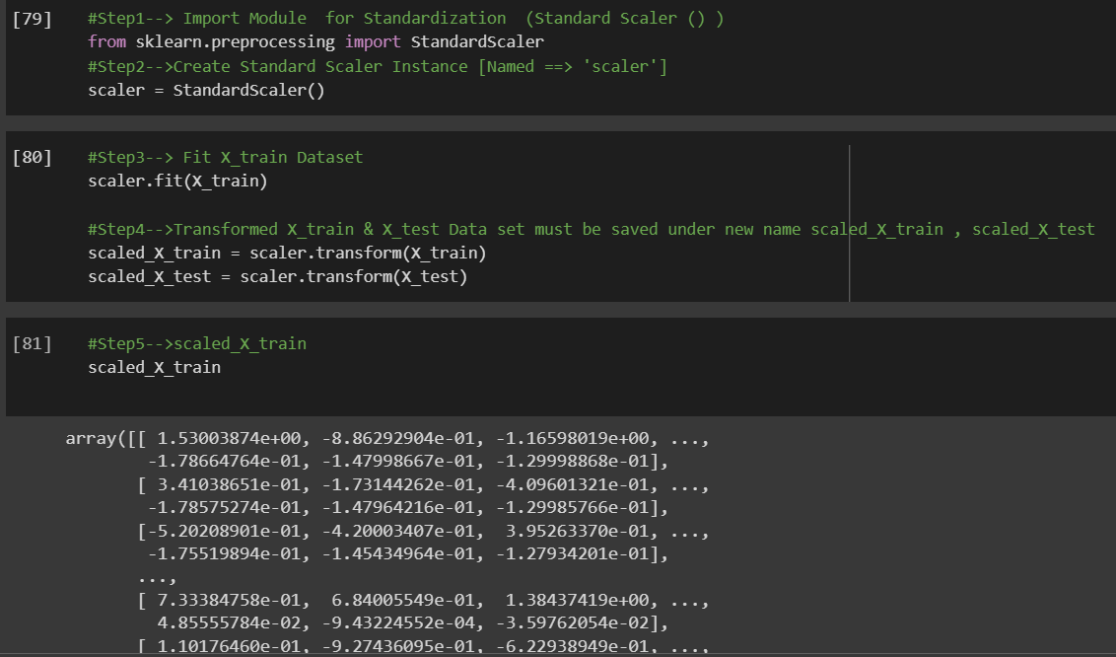

 | ⇰REFERENCE (Website) --> 1.3 Google Colab (Polynomial Regression & Feature Scaling) Regarding Practical Implementation & (Coding) 1st Types of Feature Scaling That is == (Standardization) Standard Scaling

 | ⇰REFERENCE (Website)-->Analytics Vidhya Regarding Meaning of Feature Scaling & Types of Feature scaling 1. Standardization 2.Normalization

 | ⇰REFERENCE (Website)-->Scikit Learn Regarding Practical Implementation & Definition of Feature Scaling (Especially Min-Max Scaler)

